ACCESSORIES & OTHER PARTS
Accessories & Other Parts Costings

PARTS BY NAR 7:3 Profit Sharing (3 & 4 STEPS)
Photo | Parts | Naked Cost (RM) | Qty | EA Target Cost (USD) | Price to Quote EA (USD) | Price to Quote EA (RM) | Profit | NAR |  | LADDERTECH | Remarks
 |  |  |  |  |  |  |  | 70% Profit Sharing (RM) | Cost to Insert In PO/pc (RM) | 30% Profit Sharing (RM)
1) Other Materials
 | Griptread Nosing50mm | RM25.00 | 1 |  |  | RM27.50 | RM2.50 | RM1.75 | RM26.75 | RM0.75
2) CNC & Welding (Based on Laser)
 | Overall ladder | RM100.00 | 1 |  |  | RM110.00 | RM10.00 | RM7.00 | RM107.00 | RM3.00
 | Steps | RM30.00 | 1 |  |  | RM33.00 | RM3.00 | RM2.10 | RM32.10 | RM0.90
3) Packaging Material by NAR
 | Cardboard & Strecth Film | RM5.00 | 1 |  |  | RM5.50 | RM0.50 | RM0.35 | RM5.35 | RM0.15
4) Bolt & Nut
 | M10x20T | RM0.40 | 1 | USD 0.31 | USD 0.30 | RM1.29 | RM0.89 | RM0.30 | RM0.30 | RM0.59 | Laddertech open mould and direct give RM0.30 to NAR
 | M10NUT | RM0.14 | 1 |  | USD 0.25 | RM1.08 | RM0.93 | RM0.65 | RM0.79 | RM0.28 | Own markup for Price quoted to EA. No %
 | Rivet | RM1.00 | 1 |  |  | RM1.11 | RM0.11 | RM0.06 | RM1.06 | RM0.06

PARTS BY NAR 6:4 Profit Sharing (5 - 10 STEPS)
Photo | Parts | Naked Cost (RM) | Qty | EA Target Cost (USD) | Price to Quote EA (USD) | Price to Quote EA (RM) | Profit | NAR |  | LADDERTECH | Remarks
 |  |  |  |  |  |  |  | 60% Profit Sharing (RM) | Cost to Insert In PO/pc (RM) | 40% Profit Sharing (RM)
1) Other Materials
 | Griptread Nosing50mm | RM25.00 | 1 |  |  | RM27.50 | RM2.50 | RM1.50 | RM26.50 | RM1.00
2) CNC & Welding (Based on Laser)
 | Overall ladder | RM100.00 | 1 |  |  | RM110.00 | RM10.00 | RM6.00 | RM106.00 | RM4.00
 | Steps | RM30.00 | 1 |  |  | RM33.00 | RM3.00 | RM1.80 | RM31.80 | RM1.20
3) Packaging Material by NAR
 | Cardboard & Strecth Film | RM5.00 | 1 |  |  | RM5.50 | RM0.50 | RM0.35 | RM5.35 | RM0.20
4) Bolt & Nut
 | M10x20T | RM0.40 | 1 | USD 0.31 | USD 0.30 | RM1.29 | RM0.89 | RM0.30 | RM0.30 | RM0.59 | Laddertech open mould and direct give RM0.30 to NAR
 | M10NUT | RM0.14 | 1 |  | USD 0.25 | RM1.08 | RM0.93 | RM0.56 | RM0.70 | RM0.37 | Own markup for Price quoted to EA. No %
 | Rivet | RM1.00 | 1 |  |  | RM1.11 | RM0.11 | RM0.07 | RM1.07 | RM0.04

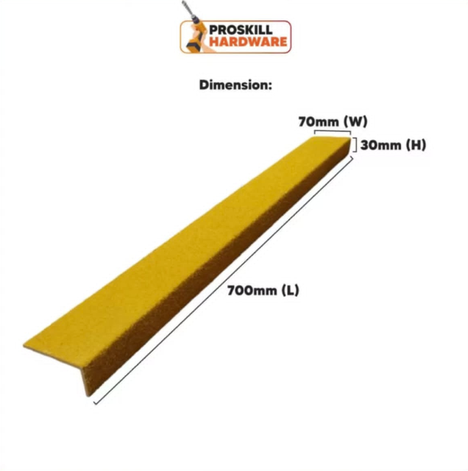
PARTS BY LADDERTECH
Photo | Parts | Naked Cost (RM) | Qty | Price to Quote EA (RM)

6) Packaging Material by LADDERTECH (Estimation based on WHDP + 20% Markup) |  |  |  |  | *We did not have any information on the packaging SOP yet
 | Fragile tape (4 rolls/ ladder) | RM10.56 | 1 | RM10.56
 | Carton box | RM3.00 | 1 | RM0.00
Subtotal |  |  |  | RM10.56
7) Marketing Materials by LADDERTECH (Estimation based on WHDP + 15% Markup) |  |  |  |  | *We did not have complete information on the marketing materials
 | Booklet & Zipper Bag | RM1.04 | 1 | RM1.04
 | PVC Card | RM5.06 | 1 | RM5.06
 | Sticker Set | RM13.37 | 1 | RM13.37
 | Q/A Sticker | RM1.32 | 1 | RM1.32
Subtotal |  |  |  | RM20.79
8) FOB (Estimation based on WHDP)
 | FOB | RM35.00 | 1 | RM35.00
Subtotal |  |  |  | RM35.00

SUMMARY
 | XLMP LADDER (BREAKDOWN)
 | RM25/kg, USD3.80, FIBERGLASS NOSING BASED ON SBS, MIG WELDING BASED ON STEPOVER VERTICAL LASER COST
 | PRODUCT MODEL | TARGET PRICE/UNIT | FINAL TO QUOTE/ UNIT | BASED ON FINAL TO QUOTE
 |  |  |  | EXTRUSION |  |  |  | FIBERGLASS NOSING BOLT & NUT | % | CNC & MIG WELDING (EST FROM STO VERTICAL COST) | % | PACKAGING & MARKETING MATERIAL | % | FOB | % |  |  |  |  |  |  |  | LADDER PHOTOS
 |  |  |  | LADDER | % | CAGE | % |  |  |  |  |  |  |  |  |  |  |  |  |  |  |  | 0.9 - 2.1
 | XLMP0.9LDR | USD 180.00 | USD 207.00 | USD 117.31 | 57% | USD 0.00 | 0% | USD 15.58 | 8% | USD 55.00 | 27% | USD 9.70 | 5% | USD 9.21 | 4% | 100%
 | XLMP1.2LDR | USD 190.00 | USD 229.00 | USD 130.15 | 57% | USD 0.00 | 0% | USD 15.58 | 7% | USD 63.68 | 28% | USD 9.70 | 4% | USD 9.21 | 4% | 100%
 | XLMP1.5LDR | USD 200.00 | USD 250.00 | USD 142.99 | 57% | USD 0.00 | 0% | USD 15.58 | 6% | USD 72.37 | 29% | USD 9.70 | 4% | USD 9.21 | 4% | 100%
 | XLMP1.8LDR | USD 220.00 | USD 272.00 | USD 155.83 | 57% | USD 0.00 | 0% | USD 15.58 | 6% | USD 81.05 | 30% | USD 9.70 | 4% | USD 9.21 | 3% | 100%
 | XLMP2.1LDR | USD 300.00 | USD 293.00 | USD 168.67 | 58% | USD 0.00 | 0% | USD 15.58 | 5% | USD 89.74 | 31% | USD 9.70 | 3% | USD 9.21 | 3% | 100%
 | XLMP2.4LDR | USD 350.00 | USD 469.00 | USD 181.51 | 39% | USD 141.66 | 30% | USD 30.52 | 7% | USD 98.42 | 21% | USD 9.70 | 2% | USD 9.21 | 2% | 100%
 | XLMP2.7LDR | USD 400.00 | USD 515.00 | USD 194.35 | 38% | USD 163.77 | 32% | USD 30.52 | 6% | USD 107.11 | 21% | USD 9.70 | 2% | USD 9.21 | 2% | 100%
 | XLMP3.0LDR | USD 450.00 | USD 579.00 | USD 207.19 | 36% | USD 199.03 | 34% | USD 37.99 | 7% | USD 115.79 | 20% | USD 9.70 | 2% | USD 9.21 | 2% | 100%

 | XLMP LADDER (BREAKDOWN)
 | RM22/kg, USD3.80, FIBERGLASS NOSING BASED ON SBS, MIG WELDING BASED ON STEPOVER VERTICAL LASER COST (-5%)
 | PRODUCT MODEL | TARGET PRICE/UNIT | FINAL TO QUOTE/ UNIT | BASED ON FINAL TO QUOTE
 |  |  |  | EXTRUSION |  |  |  | FIBERGLASS NOSING BOLT & NUT | % | CNC & MIG WELDING (-5%) | % | PACKAGING & MARKETING MATERIAL | % | FOB | % |  |  |  |  |  |  |  | 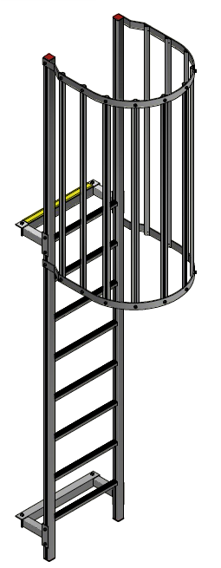 2.4 - 2.7
 |  |  |  | LADDER | % | CAGE | %
 | XLMP0.9LDR | USD 180.00 | USD 188.00 | USD 103.23 | 55% | USD 0.00 | 0% | USD 15.58 | 8% | USD 49.50 | 26% | USD 9.70 | 5% | USD 9.21 | 5% | 100%
 | XLMP1.2LDR | USD 190.00 | USD 207.00 | USD 114.53 | 55% | USD 0.00 | 0% | USD 15.58 | 8% | USD 57.32 | 28% | USD 9.70 | 5% | USD 9.21 | 4% | 100%
 | XLMP1.5LDR | USD 200.00 | USD 226.00 | USD 125.83 | 56% | USD 0.00 | 0% | USD 15.58 | 7% | USD 65.13 | 29% | USD 9.70 | 4% | USD 9.21 | 4% | 100%
 | XLMP1.8LDR | USD 220.00 | USD 245.00 | USD 137.13 | 56% | USD 0.00 | 0% | USD 15.58 | 6% | USD 72.95 | 30% | USD 9.70 | 4% | USD 9.21 | 4% | 100%
 | XLMP2.1LDR | USD 300.00 | USD 264.00 | USD 148.43 | 56% | USD 0.00 | 0% | USD 15.58 | 6% | USD 80.76 | 31% | USD 9.70 | 4% | USD 9.21 | 3% | 100%
 | XLMP2.4LDR | USD 350.00 | USD 420.00 | USD 159.73 | 38% | USD 124.66 | 30% | USD 30.52 | 7% | USD 88.58 | 21% | USD 9.70 | 2% | USD 9.21 | 2% | 101%
 | XLMP2.7LDR | USD 400.00 | USD 461.00 | USD 171.03 | 37% | USD 144.11 | 31% | USD 30.52 | 7% | USD 96.39 | 21% | USD 9.70 | 2% | USD 9.21 | 2% | 100%
 | XLMP3.0LDR | USD 450.00 | USD 519.00 | USD 182.33 | 35% | USD 175.15 | 34% | USD 37.99 | 7% | USD 104.21 | 20% | USD 9.70 | 2% | USD 9.21 | 2% | 100%

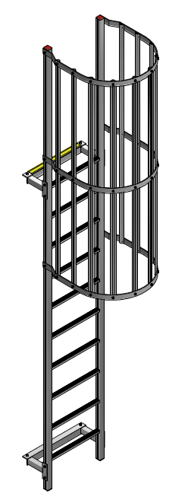
 | XLMP LADDER (BREAKDOWN)
 | RM22/kg, USD3.90, FIBERGLASS NOSING BASED ON SBS, MIG WELDING BASED ON STEPOVER VERTICAL LASER COST (-5%)
 | PRODUCT MODEL | TARGET PRICE/UNIT | FINAL TO QUOTE/ UNIT | BASED ON FINAL TO QUOTE |  |  |  |  |  |  |  | FINAL PRICE/KG WHOLE LADDER |  |  |  |  |  | FINAL PRICE/KG WHOLE LADDER | FINAL PRICE/KG EXCLUDE PACKAGING, STICKER, & FOB |  | FINAL PRICE/ UNIT FIBERGLASS NOSING BOLT & NUT | FINAL PRICE/ UNIT PACKAGING, STICKER, & FOB | FINAL TO QUOTE/ UNIT | 3.0
 |  |  |  | EXTRUSION |  |  |  | FIBERGLASS NOSING BOLT & NUT | % | CNC & MIG WELDING (-5%) | % |  | PACKAGING & MARKETING MATERIAL | % | FOB | % |  |  |  | LADDER WEIGHT/ UNIT (KG)
 |  |  |  | LADDER | % | CAGE | %
W/O CAGE | XLMP0.9LDR | USD 180.00 | USD 183.31 | USD 100.59 | 55% | USD 0.00 | 0% | USD 15.58 | 9% | USD 48.23 | 21% | RM47.10 | USD 9.70 | 5% | USD 9.21 | 5% | 95% | RM47.10 | RM37.28 | 16.05 | RM60.77 | RM73.74 | USD 187.91
 | XLMP1.2LDR | USD 190.00 | USD 201.93 | USD 111.60 | 55% | USD 0.00 | 0% | USD 15.58 | 8% | USD 55.85 | 23% | RM46.77 | USD 9.70 | 5% | USD 9.21 | 5% | 95% | RM46.77 | RM37.81 | 17.80 | RM60.77 | RM73.74 | USD 207.11
 | XLMP1.5LDR | USD 200.00 | USD 220.56 | USD 122.61 | 56% | USD 0.00 | 0% | USD 15.58 | 7% | USD 63.46 | 24% | RM46.50 | USD 9.70 | 4% | USD 9.21 | 4% | 95% | RM46.50 | RM38.24 | 19.56 | RM60.77 | RM73.74 | USD 226.31
 | XLMP1.8LDR | USD 220.00 | USD 239.18 | USD 133.62 | 56% | USD 0.00 | 0% | USD 15.58 | 7% | USD 71.08 | 25% | RM46.27 | USD 9.70 | 4% | USD 9.21 | 4% | 95% | RM46.27 | RM38.61 | 21.32 | RM60.77 | RM73.74 | USD 245.51
 | XLMP2.1LDR | USD 300.00 | USD 257.81 | USD 144.63 | 56% | USD 0.00 | 0% | USD 15.58 | 6% | USD 78.69 | 26% | RM46.07 | USD 9.70 | 4% | USD 9.21 | 4% | 95% | RM46.07 | RM38.91 | 23.07 | RM60.77 | RM73.74 | USD 264.72
W/ CAGE | XLMP2.4LDR | USD 350.00 | USD 412.83 | USD 155.64 | 38% | USD 121.46 | 29% | USD 30.52 | 7% | USD 86.31 | 16% | #DIV/0! | USD 9.70 | 2% | USD 9.21 | 2% | 95% | RM38.51 | #DIV/0! |  |  | RM75.63 | #DIV/0!
 | XLMP2.7LDR | USD 400.00 | USD 450.42 | USD 166.65 | 37% | USD 140.42 | 31% | USD 30.52 | 7% | USD 93.92 | 16% | #DIV/0! | USD 9.70 | 2% | USD 9.21 | 2% | 95% | RM37.91 | #DIV/0! |  |  | RM75.63 | #DIV/0!
 | XLMP3.0LDR | USD 450.00 | USD 511.42 | USD 182.33 | 36% | USD 170.66 | 33% | USD 37.99 | 7% | USD 101.54 | 15% | #DIV/0! | USD 9.70 | 2% | USD 9.21 | 2% | 95% | RM37.95 | #DIV/0! |  |  | RM75.63 | #DIV/0!

 | XLMP LADDER (BREAKDOWN)
 | RM22/kg, USD3.80, FIBERGLASS NOSING BASED ON SBS, MIG WELDING BASED ON CHATGPT CALCULATION
 | PRODUCT MODEL | TARGET PRICE/UNIT | FINAL TO QUOTE/ UNIT | BASED ON FINAL TO QUOTE
 |  |  |  | EXTRUSION |  |  |  | FIBERGLASS NOSING BOLT & NUT | % | CHATGPT CALCULATION | % | PACKAGING & MARKETING MATERIAL | % | FOB | %
 |  |  |  | LADDER | % | CAGE | %
 | XLMP0.9LDR | USD 180.00 | USD 236.60 | USD 103.23 | 44% | USD 0.00 | 0% | USD 15.58 | 7% | USD 98.87 | 42% | USD 9.70 | 4% | USD 9.21 | 4% | 100%
 | XLMP1.2LDR | USD 190.00 | USD 259.46 | USD 114.53 | 44% | USD 0.00 | 0% | USD 15.58 | 6% | USD 110.44 | 43% | USD 9.70 | 4% | USD 9.21 | 4% | 100%
 | XLMP1.5LDR | USD 200.00 | USD 282.33 | USD 125.83 | 45% | USD 0.00 | 0% | USD 15.58 | 6% | USD 122.01 | 43% | USD 9.70 | 3% | USD 9.21 | 3% | 100%
 | XLMP1.8LDR | USD 220.00 | USD 305.20 | USD 137.13 | 45% | USD 0.00 | 0% | USD 15.58 | 5% | USD 133.58 | 44% | USD 9.70 | 3% | USD 9.21 | 3% | 100%
 | XLMP2.1LDR | USD 300.00 | USD 328.07 | USD 148.43 | 45% | USD 0.00 | 0% | USD 15.58 | 5% | USD 145.15 | 44% | USD 9.70 | 3% | USD 9.21 | 3% | 100%
 | XLMP2.4LDR | USD 350.00 | USD 490.53 | USD 159.73 | 33% | USD 124.66 | 25% | USD 30.52 | 6% | USD 156.71 | 32% | USD 9.70 | 2% | USD 9.21 | 2% | 100%
 | XLMP2.7LDR | USD 400.00 | USD 532.86 | USD 171.03 | 32% | USD 144.11 | 27% | USD 30.52 | 6% | USD 168.28 | 32% | USD 9.70 | 2% | USD 9.21 | 2% | 100%
 | XLMP3.0LDR | USD 450.00 | USD 594.23 | USD 182.33 | 31% | USD 175.15 | 29% | USD 37.99 | 6% | USD 179.85 | 30% | USD 9.70 | 2% | USD 9.21 | 2% | 100%

